C#
SR.NO | Question | Answer | Links

 | BASIS FOR COMPARISON | COMPILER | INTERPRETER
 | Input | It takes an entire program at a time. | It takes a single line of code or instruction at a time.
 | Output | It generates intermediate object code. | It does not produce any intermediate object code.
 | Working mechanism | The compilation is done before execution. | Compilation and execution take place simultaneously.
 | Speed | Comparatively faster | Slower

 | Memory | Memory requirement is more due to the creation of object code. | It requires less memory as it does not create intermediate object code.

 | Errors | Display all errors after compilation, all at the same time. | Displays error of each line one by one.
 | Error detection | Difficult | Easier comparatively
 | Pertaining Programming languages | C, C++, C#, Scala, typescript uses compiler. | PHP, Perl, Python, Ruby uses an interpreter.
0 | Access Specifiers (Access Modifiers) in C# Access Specifiers (Access Modifiers) are keywords in Object Oriented Programming, that specify accessibility of Types and Types Members. By default members of classes are Private. By default classes are Internal. By default namespaces are Public but we are not supposed to specify the public keyword. | Access modifiers are keywords used to specify the declared accessibility of a member or a type. These define the permission level to type members ( Methods, Properties, Events, Variables). All type and type members have an accessibility level which controls whether they can be used by the code in the same assembly in which the type declared or the code in the other assembly. Public: - Public members are accessible anywhere, inside the type (e.g. - class), outside the type, inside the assembly, outside the assembly, through the inheritance or with the type (e.g. instance of class, with type of class in case of static). Private: - Private members are only accessible within the own type (Own class). Protected: - Protected member are accessible only with its derived types whether it is inside the assembly or outside the assembly. Internal: - Internal member are accessible only within the assembly by inheritance (its derived type) or by instance of class. Protected Internal: - Protected internal is type of access modifier contains protected member properties as well as internal member properties, means protected internal member accessible inside the assembly in its derived class or with the instance of the class and accessible outside the class only in its derived class. Protected Internal Property = Protected Property (anywhere in its derived class inside or outside the assembly) + Internal (with instance of class only inside the assembly) | 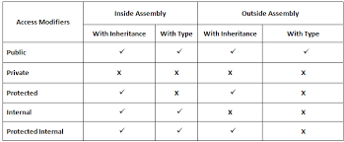 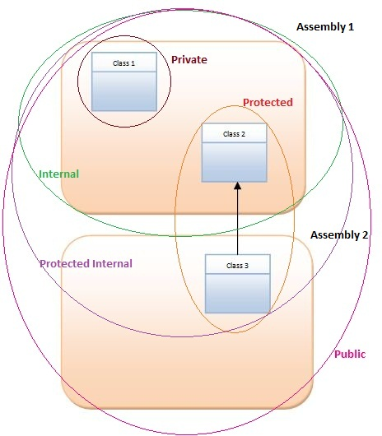
1 | Different between method overloading and overriding ? | Method overloading allows programmers to use multiple methods with the same name. The methods are differentiated with their number and type of method arguments. Method overloading is an example of the polymorphism feature of an object oriented programming language. Method overloading can be achieved by the following: By changing number of parameters in a method By changing the order of parameters in a method By using different data types for parameters | Method overriding in C# allows programmers to create base classes that allows its inherited classes to override same name methods when implementing in their class for different purpose. This method is also used to enforce some must implement features in derived classes. Important points: Method overriding is only possible in derived classes, not within the same class where the method is declared. Base class must use the virtual or abstract keywords to declare a method. Then only can a method be overridden
3 | What is abstract class ? | Absract class can not create a object of class but can create reference and more about abstract class can cantains abstract as well as non abstract member .In abstract classs is not necessary to contain only abstract data .
4 | What is abstract method ? | Absrtact method is simple method they just only have declaration inside the abstract class/interface and its implemention is provided by dervied class they inherting the abstract class and interface
5 | What is Interface in C# | Interface is contract of all deriverd class means. It can only declare data member while its implmentioan is provided by derived class they inherting interface Char of interface : 1 it contains only method ,property ,events decalation, 2 By default interface member public so no need to add public access specifier 3 interface support multiple inheritance 4 it fully abstraction features in term of OOPs.
6 | Do interface have accessbility modifier in C# | No
7 | Can we create object of absctact class and interface in C# | 3
8 | Different between absctract class and interface | 1 abstract class not allowed multiple inhertiance . 1 Interface allowed multiple inhertiance . 2 abstract class half abstract because it contains abstract as well as non-absract member in class 2 Interface is full abstraction because it contains only abstract memeber | 3 Abstract class is used to when a situation in prgram/project module in some common functionality as well as non common functionality in derived class 3 Interface is used to when a requirment is fully non common functionality to all derived class
9 | If we want to update interface with new method . What Is the best choice | simple we should be create another new interface .
10 | Ternary Opreator in C# | In c# language, ternary operator (?) use to check a conduction, so other name of ternary operator is conditional operator, which work as a if statement. This operator compares two values. It produces a third value that depends on the result of the comparison. At compile-time, the C# compiler translates the ternary expression into branch statements such as brtrue. | public string check(string name, int pass) //Create function { //Use ternary operator ? //condition true then reply "Welcome Arvind" //condition falls then reply "Invalid Login or Password" return name == "arvind" && pass==123 ? "Welcome Arvind":"Invalid Login or Password"; }
11 | When should we use "??" (NULL Coalescing operator) ? | "??" is a NULL coalescing operator. If you see the English meaning of coalescing it says "consolidate together". Coalescing operator returns the first NON-NULL value from a chain. For example see next cell is a simple coalescing code which chains four strings. So if "str1" is null it will try "str2" , if "str2" is null it will try "str3" and so on until it finds a string with a non-null value. Example: string final =str1 ?? str2 ?? str3 ?? str4; What is the benefit of coalescing? You do not need to write long if condition as shown below. | if (str1 != null) final = str1; } else if (str2 != null) final = str2; } else if (str3 != null) final = str3;} else if (str4 != null) final = str4;} } }}
12 | What is Delgates . | Delegate can be defined as an object, which contains the address of a method. Delegate is a reference type used to encapsulate a method with a specific signature and return type. Or we can say Delegates are pointer to functions and used for call back.
13 | Why use Delgates? | There are two basic uses of delegates :- Callbacks / events. Method and function abstraction.
14 | How can we create delgates ? | Step 1 Declare a Delegate Step 2 Create a Delegate reference Step 3 Point the reference pointer to methods Step 4 Invoke the methods through delegate
15 | How use Delgates in live project
16 | What is Different between single and multicast delgates in C# | If we want one delegate to point to multiple methods / function we use multicast delegates.
17 | What is Events ? | Events are encapsulation over delegates.
18 | What are the different ways of creating a delegate in C# ?
19 | what is different between delgates and events in c# | Delegate is basically an abstract strong pointer to a function or method while events are higher level of encapsulation over delegates. Events are used by delegates internally. Main differing reasons are as follows: 1 Actually, events use delegates in bottom. But they add an extra layer on the delegates, thus forming the publisher and subscriber model. 2 As delegates are function to pointers, they can move across any clients. So any of the clients can add or remove events, which can be confusing. But events give the extra protection / encapsulation by adding the layer and making it a publisher and subscriber model.
20 | What Is asychrnous and await in C# ?
21 | Do events have any return type ?
22 | can events have access modifer
23 | What is shadowing ? | 1 Shadowing is a concept of OOP (Object Oriented Programming) paradigm. Using Shadowing we can provide a new implementation to base class member without overriding it, which means that original implementation of base class member gets shadowed (hidden) with the new implementation of base class member provided in derived class. 2 Consider a scenario where you have an external assembly which you have added in your project. You have a class in that assembly and it has a method which is not defined as virtual and you want to override that method (define your own implementation for that method) in the derived class. What would you do? 3 This is the scenario where you can use shadowing concept to override the method in the derived class. | According to MSDN: Shadowing is the concept of using Polymorphism in Object Oriented Programming. When two programming elements share the same name, one of them can hide, or shadow, the other one. In such a situation, the shadowed element is not available for reference; instead, when your code uses the element name, the compiler resolves it to the shadowing element. Shadowing is actually hiding overridden method implementation in derived class and call the parent call implementation using derived class object.
24 | Different between shadowing and overriding ? | There is a major difference in shadowing and overriding which is normally when we override a virtual method in derived class and create an instance of derived class, and then if we hold reference to the derived class object as a base class object, and call that member, it always calls derived class implementation which is supposed to happen. In shadowing the case is different, if for the same virtual member, we shadow it in the derived class using a new keyword and we call the implementation as above, it will call base class implementation when we have reference to an object of type base class. And if we have reference to the same object of derived type it will call derived type implementation, so base class and derived class implementation are hidden from each other. The method of choosing which implementation to be called depends upon if we are calling the member using reference of base type or derived type. | https://www.c-sharpcorner.com/article/difference-between-shadowing-and-overriding-in-oop/
25 | If we inherit a class do the private variable also get inherited ?
26 | How can stop the class from further inherting ? | use sealed keyword
27 | Different between structure and class ? | 1 Structs are value types, allocated either on the stack or inline in containing types. 1 Classes are reference types, allocated on the heap and garbage-collected. 2 Allocations and de-allocations of value types are in general cheaper than allocations and de-allocations of reference types. 2 Assignments of large reference types are cheaper than assignments of large value types. 3 In structs, each variable contains its own copy of the data (except in the case of the ref and out parameter variables), and an operation on one variable does not affect another variable. 4 In classes, two variables can contain the reference of the same object and any operation on one variable can affect another variable. | 5 Classes are usually used for large amounts of data, 5 whereas structs are usually used for smaller amounts of data. 6 Classes can be inherited whereas structures not. 7
28 | Similar between class and structure
29 | What is static varible + static method and static class in C# | 1 Each object has its own set of member variables and all the member variables have a scope. 2 If we want a variable to have the same value throughout all instances of the object then we can declare it as a static variable in our program. To manipulate and use the values of static variables we can also define a function as static. 3 The keyword "static" means that only one instance of a given variable exists for a class. Static variables are used to define constants because their values can be retrieved by invoking the class without creating an instance of it. 4 Static variables can be initialized outside the member function or class definition. The following code is an example of a static variable, which shows the declaration and initialization of a static variable. | https://www.c-sharpcorner.com/UploadFile/36bc15/static-keyword-in-C-Sharp/
30 | Explain what is Static class in C# | A static class is basically the same as a non-static class, but there is one difference: a static class cannot be instantiated. In other words, you cannot use the new operator to create a variable of the class type. Because there is no instance variable, you access the members of a static class by using the class name itself. For example, if you have a static class that is named UtilityClass that has a public static method named MethodA, you call the method as shown in the following example UtilityClass.MethodA(); A static class can be used as a convenient container for sets of methods that just operate on input parameters and do not have to get or set any internal instance fields. For example, in the .NET Framework Class Library, the static System.Math class contains methods that perform mathematical operations, without any requirement to store or retrieve data that is unique to a particular instance of the Math class. That is, you apply the members of the class by specifying the class name and the method name, as shown in the following example. double dub = -3.14; Console.WriteLine(Math.Abs(dub)); Console.WriteLine(Math.Floor(dub)); Console.WriteLine(Math.Round(Math.Abs(dub))); // Output: // 3.14 // -4 // 3
31 | What is Enum and why used | Enum is a value type with a set of related named constants often referred to as an enumerator list. The enum keyword is used to declare an enumeration. It is a primitive data type, which is user-defined. Enums type can be an integer (float, int, byte, double etc.) but if you use beside int, it has to be cast. Enum is used to create numeric constants in .NET framework. All member of the enum are of enum type. There must be a numeric value for each enum type. Why should we use Enum? Suppose we are creating a program in which we have to use multiple-named constants of similar type and on the basis of a particular constant, we have to perform some operation. So, what we normally do is to initialize each named constant with a value. This may require a lot of effort if the number of constants is large. Also, the look and feel of the code is not up to the mark. Have a look at the below program to understand more. The program contains the months of the year. We have to put a lot of efforts to assign each month to a value. | https://www.c-sharpcorner.com/article/enums-in-c-sharp/
32 | Var and dynmic type in C# | 1 This means the type of variable declared is decided by the compiler at compile time. 1 This means the type of variable declared is decided by the compiler at runtime time. 2 Need to initialize at the time of declaration. e.g., var str=”I am a string”; Looking at the value assigned to the variable str, the compiler will treat the variable str as string. 2 No need to initialize at the time of declaration e.g., dynamic str; str=”I am a string”; //Works fine and compiles str=2; //Works fine and compiles
33 | what is different between stack and heap memory | There are two places the .NET framework stores items in memory as your code executes. If you haven't already met, let me introduce you to the Stack and the Heap. Both the stack and heap help us run our code. They reside in the operating memory on our machine and contain the pieces of information we need to make it all happen. Stack vs. Heap: What's the difference? The Stack is more or less responsible for keeping track of what's executing in our code (or what's been "called"). The Heap is more or less responsible for keeping track of our objects (our data, well... most of it - we'll get to that later.). Think of the Stack as a series of boxes stacked one on top of the next. We keep track of what's going on in our application by stacking another box on top every time we call a method (called a Frame). We can only use what's in the top box on the stack. When we're done with the top box (the method is done executing) we throw it away and proceed to use the stuff in the previous box on the top of the stack. The Heap is similar except that its purpose is to hold information (not keep track of execution most of the time) so anything in our Heap can be accessed at any time. With the Heap, there are no constraints as to what can be accessed like in the stack. The Heap is like the heap of clean laundry on our bed that we have not taken the time to put away yet - we can grab what we need quickly. The Stack is like the stack of shoe boxes in the closet where we have to take off the top one to get to the one underneath it. | The picture above, while not really a true representation of what's happening in memory, helps us distinguish a Stack from a Heap. The Stack is self-maintaining, meaning that it basically takes care of its own memory management. When the top box is no longer used, it's thrown out. The Heap, on the other hand, has to worry about Garbage collection (GC) - which deals with how to keep the Heap clean (no one wants dirty laundry laying around... it stinks!). | https://www.c-sharpcorner.com/article/C-Sharp-heaping-vs-stacking-in-net-part-i/
34 | what is value type and reference type ? Explain types of Data type in C# ? | Value type Value type contains actual data on stack directly. They cannot contain null values. Value types in CTS are, Primitives Eg int count; float sum; Enumerations Eg enum status {yes, no}; Structure Eg struct point {intx, y;} Reference type Reference type contains references to objects. The reference is stored on stack while the actual object is on managed heap. A Reference type can be null. Reference types in CTS are, Root Eg- Object String Eg- string name; Classes Eg - class Line: Shape { . . .} Interfaces Eg - interface IDrawable {. . .} Arrays Eg - string[] a = new string[10]; Delegates Eg - delegate void operation();
35 | What is boxing and unboxing in C# | When value type is moved to a reference type it’s called as boxing. The vice-versa is termed as unboxing. Below is sample code of boxing and unboxing where integer data type is converted in to object and then vice versa. | Example : int i = 1; object obj = i; // boxing int j = (int) obj; // unboxing
36 | How performance is affected due to boxing and unboxing | When boxing and unboxing happens the data needs to jump from stack memory to heap and vice-versa which is a bit of memory intensive process. As a good practice avoid boxing and unboxing where ever possible.
37 | how can we avoid boxing and unboxing ? | First thing it’s very difficult to avoid boxing and unboxing. For instance most of the time you will moving data from UI objects like text boxes etc to business objects and also vice versa which will demand boxing and unboxing. Below are some key points to remember:- First thing is it really necessary to use boxing and unboxing. If it’s unavoidable like moving data from UI text boxes to internal c# data types, then go for it. Try to see if you can use generics and avoid it.
38 | How can handled Exception in C#
39 | Explain ErrorHandling/ExceptionHandling in C# and with level of all exception | Code level Exception Page level Exception Application level Exception
40 | Explian and Implement Custom ExceptionHandling in asp.net |  | https://www.c-sharpcorner.com/UploadFile/dacca2/handle-exception-at-various-levels-in-Asp-Net-application/
41 | Is possible at same time we can add more than 1 try in Exception handling | No
42 | Is possible at same time we can execute more than 1 catch in Exception handling | yes
43 | Different between GetType() and typeOf() method in C#
44 | What is reflection ? Why we need reflection in C# with Example | 1 Reflection is needed when you want to determine/inspect contents of an assembly. 2 For example look at your visual studio editor intellisense, when you type “.” (dot) before any object , it gives you all members of the object. | Example Dataset obj; obj.get in this line vs intellisense show number of methods 1 Reflection also goes one step further; it can also invoke a member which is inspected. For instance if the reflection detects that there is a method called as “GetChanges” in an object. 2We can get a reference to that method instance and invoke the same on runtime. 3In simple words reflection passes through two steps “Inspect” and “Invoke” (optional). 4“Invoke” process is optional.
45 | Different Between While and Do while loop and for loop | 1 While loop checks for the condition first. so it may not even enter into the loop, if the condition is false. 1 do while loop, execute the statements in the loop first before checks for the condition. At least one iteration takes places, even if the condition is false. 1 for loop is similar to while loop except that initialization statement, usually the counter variable initializationa statement that will be executed after each and every iteration in the loop, usually counter variable increment or decrement
46 | Different between for and for each loop | 1 The for loop executes a statement or a block of statements repeatedly until a specified expression evaluates to false. There is need to specify the loop bounds( minimum or maximum). 1 The foreach statement repeats a group of embedded statements for each element in an array or an object collection. You do not need to specify the loop bounds minimum or maximum. | 2 A for loop is useful when you have an indication or determination, in advance, of how many times you want a loop to run. As an example, if you need to perform a process for each day of the week, you know you want 7 loops. 2 A foreach loop is when you want to repeat a process for all pieces of a collection or array, but it is not important specifically how many times the loop runs. As an example, you are formatting a list of favorite books for users. Every user may have a different number of books, or none, and we don't really care how many it is, we just want the loop to act on all of them.
47 | Interviewer asked me 2 scenario based question in one interview: | A Scenario : for (int i = 1; i <= 5; i++) { i = i + i; } The above code will work? Yes this will work. | A Scenario : int[] tempArr = new int[] { 0, 1, 2, 3, 5, 8, 13 }; foreach (int i in tempArr) { i = i + 1; } Above code will work? This code will not compile. I have pasted screenshot of error.
48 | What Is as ,is this ,override base keywors in C#
49 | Anonoymous method and class in C#
50 | why we need anonymous and how we call ?
51 | Anonymous Types in C# | The Anonymous types feature was introduced in version 3.0 of the C# language with a special purpose in mind and that purpose was to provide an easier way to define objects with a few read-only properties. In the traditional way, we need to create a class and define read-only properties of the class and that's it. Nothing more. So the C# development team added anonymous types to avoid the need for definition of the classes. The C# compiler understands when an anonymous type is defined. Each property of the class is inferred by the compiler. Anonymous [ Anonymous mean(without name)] type, as the name suggests, is a type that doesn't have any name. C# allows you to create anobject with the new keyword without defining its class. The implicitly typed variable- var is used to hold the reference of anonymous types.Anonymous types contain one or more public read-only properties. Non read-only members of the class are not valid. Note:Anonymous types are heavily used in LINQ. They saves developer's time not to write anonymous types if they are being used for this simple purpose only. | https://www.c-sharpcorner.com/UploadFile/mahesh/anonymous-types-in-C-Sharp/
52 | Anonymous type VS Dynamic Type | NET framework 4.0 introduced new keyword called "Dynamic". Object of type dynamic bypasses the static type checking at time of compilation whereas for anonymous type, creating static type and checking type at compile time. Anonymous type is a class type that contain one or more read only properties whereas dynamic can be any type it may be any type integer, string, object or class. Anonymous types are assigned type by the compiler. Anonymous type is directly derived from System.Object whereas Dynamic is differ from object type and DLR (dynamic Language Runtime) define and assign type runtime. Anonymous types throw compile time errors, Dynamic types does not throw any compile time error but throw run-time errors. For Anonymous type, Visual studio able to show intellisense because type is known at the time compilation whereas intellisense is not available with dynamic because type is defines at runtime.
53 | Automapper in C#
54 | Different betweeen call by value and call by reference ?
55 | Different between constant and readonly keyword
56 | Diferent between string and stringbuilder ? | 1 System.String is immutable 1 System.StringBuilder is mutable 2 Concatenation is used to combine two strings 2 Append method is used. 3 The first string is combined to the other string by creating a new copy in the memory as a string object, and then the old string is deleted 3 Insertion is done on the existing string. 4 String is efficient for small string manipulation 4StringBuilder is more efficient in case large amounts of string manipulations have to be performed | https://www.c-sharpcorner.com/UploadFile/puranindia/stringbuilder-class-in-C-Sharp1/
57 | Different betweeen == and equal() method in c#
58 | Define Data Anataion in C#
59 | Attribute in C#
60 | How can create nullable types ?
61 | Why we create nullable type in application ? | C# has two type of data types. Value type and reference types. String is reference type and int is value type. A reference type can be assigned with a null value like string s = null; But you can not assign a null value direcly to a inteer. like int a = null . So to make the value type accept a null value, nullable types are used To represent null in a value type, you must use a special construct called a nullable type. It is represented using ? symbol. Int32? I=null; //now its ok | Now scenario when nullable types commanly used is in database programming where calss is map to table with nullable columns. • If the columns are reference type that is String such as (email address and customer address), there is not a problem as you can defined it as null in C# • But if the columns are value type that is double such as (customer account balance), you cannot map it to C# without using nullable types. Nullable<T> is useful for when you need a possible invalid state for a value type, or if the data is being retrieved from a database that may contain a null value for the column.
62 | Explain type casting with types ? | Type Casting or Type Conversion is a mechanism to convert one data type value to another one. Type conversion is possible if both the data types are compatible to each other; otherwise you will get an InvalidCastException. Types of casting in C# There are two types of conversion. 1 Implicit Conversion 2 Explicit Conversion
63 | Explain with example extension method in C# why we create extension method ?
64 | Understand Naming convention like camel ,upper and pascal case ?
65 | Explain seralization in C# ? When used ? And explain with types ?
66 | How to convert string to enum type in C#
67 | Different between i++ and ++I in loops
68 | What is Different between ienumerable and ienumerate in C# | Basically there are 3 differences. 1 Both Ienumeable and IEnumerate genrally is used for iterate value through collection The way we iterate value though elements/collection of them For IEnumerable IEnumerable<int>MyCollection; Foreach(int t in MyCollection) { console.writeline(i); } For IEnumerator IEnumerator<int>MyCollection; while(MyCollection.MoveNext()) { console.writeLIne(MyCollection.Current); } 2 IEnumerable internally uses IEnumerator and thus IEnumerable has a method called GetEnumerator() 3 IEnumerable won’t preserves state whereas IEnumerator does. IEnumerator knows which was the last element retrieved and whether further traversal is possible or not. Example: | For IEnumerable IEnumerable<int>MyCollection; // Contain numbers from 0 to 100 sequentially foreach(int I in MyCollection) { //do something with i If(i>=50) { AnotherFunction(MyCollection); } } AnotherFunction(IEnumerable<int>MyCollection) { foreach(int I in MyCollection)//Again start from zero { //do something with i } }
69 | different betweeen Icompare and Icomparable in C#
70 | 1 CollectionBasics | collections are nothing but they are groups of records which can be treated as one logic unit . In Net collection has Four Types 1 Index based(Arraylist class+ List class ) : helps you to access data from index number 2 Key Value Pair(Hashtable +SortedList class) : helps you to access data by defaul key value 3 Periortiezed collection(Stack + Queue class):stack helps you to access data in LIFO sequenece and Queue helps you to access data in FIFO sequenece 4 Special collection
71 | 2 ArrayandArrayList | Array : They are fixed length. ArrayList They are resizable and variable length. Array : They are compiled strong type collection. ArrayList They are flexible and can accommodate any data types. Array: Because arrays are of fixed size and strong type collection performance is faster. ArrayList In arraylist lots of boxing and unboxing are done there for its performance is slower.
72 | 3 Array Faster Than ArrayList | Let’s see an example to prove the above differences. The below is how we declare Array. String [ ] str = new String [5]; // here you see that the length is fixed as [5] and the data type is also defined as string. Now, see how you can declare ArrayList. ArrayList str = new ArrayList (); // here you see that the length is not fixed and is not tied up with a data type. If you go to add data to an ArrayList you can see it takes object which is a very generic type. Due to this boxing, unboxing or casting are done. In other words data moves from stack to heap or heap to stack. If you look at Array as they are strong types boxing and unboxing are completely avoided. Therefore, Array performance is faster as compared to ArrayList.
73 | 4 Arrayandhastables What are hashtable collections? | In arraylist or array if we have to access any data we need to use the internal index id generated by the array list collection. For instance the below code snippet shows how the internal id is used to fetch data from array list. In actual scenarios we hardly remember internal id’s generated by collection we wouldlike to fetch the data by using some application defined key. There’s where hash table comes in to picture. string str = MyList[1].ToString(); Hash table helps to locate data using keys as shown below. When we add data to hash table it also has a provision where we can add key with the data. This key will help us to fetch data later using key rather than using internal index id’s generated by collections.
74 | 5 StacksAndQueues | 1 Queues are collection which helps us to add object and retrieve them in the manner they were added. In other word queues helps us to achieve the first in first out collection behavior. 1 Stack collection helps us to achieve first in last out behavior.
75 | 6 SpecialCollection
76 | 7 Generics | Concept of Generic in .NET: - Generics help to separate logic and data type to increase reusability. In other words you can create a class whose data type can be defined on run time. For instance below is a simple class "class1" with a "compareme" function created using generics. You can see how the unknown data type is put in greater than and less than symbol. Even the compare me method has the unknown data type attached.
77 | 8 WhatAreGenericCollections | Concept of Generic Collection in .NET: - Array List, Stack and Queues provide collections which are not type safe. This leads 2 problems first it's not type safe and second it leads to boxing and unboxing. By using generics we can have type safety and also we can avoid boxing and unboxing.
78 | 9 InterfaceCollectionroject
79 | 11 IEnumerableQueryTable
80 | 12 ExplainGenericConstraints
81 | Expliain generic and non gernric collection ? Or Can you explain the concept of generic collection? | Array List, Stack and Queues provide collections which are not type safe. This leads 2 problems first it’s not type safe and second it leads to boxing and unboxing.By using generics we can have type safety and also we can avoid boxing and unboxing. Below is a simple code snippet which shows a strong typed list of type integer and string. | List<int> obj; obj.add(1); // you can only add integers to this list List<string> obj; obj.add(“shiv”); // you can only add string to this list
82 | Different betweeb generic collection and generic in C# | Concept of Generic in .NET: - Generics help to separate logic and data type to increase reusability. In other words you can create a class whose data type can be defined on run time. For instance below is a simple class "class1" with a "compareme" function created using generics. You can see how the unknown data type is put in greater than and less than symbol. Even the compare me method has the unknown data type attached. Concept of Generic Collection in .NET: - Array List, Stack and Queues provide collections which are not type safe. This leads 2 problems first it's not type safe and second it leads to boxing and unboxing.By using generics we can have type safety and also we can avoid boxing and unboxing. Below is a simple code snippet which shows a strong typed list of type integer and string. | public class Class1<UNKOWNDATATYPE> { public bool compareme(UNKOWNDATATYPE V1,UNKOWNDATATYPE V2) { if(v1.Equals(v2)) { return true;} else {return false;}}} During runtime you can define the datatype as shown in the below code snippet. Class<int> obj= new Class1<int>(); bool b=obj.compareme(1,2); this will compare numeric value bool b1=obj1.Compareme("Ramzan","Ramzan");//This will compare string
83 | Explian Property in C# ? Types and why we used .
84 | Explain types of classes in C#
85 | What is partial class in C#
86 | Explain jagged array in C# and also define param keywords.
87 | difference between IQueryable, ICollection, IList & IDictionary interface | the difference between “IQueryable” and “IEnumerable” is about where the filter logic is executed. One executes on the client side and the other executes on the database. So if you are working with only in-memory data collection “IEnumerable” is a good choice but if you want to query data collection which is connected with database, “IQueryable” is a better choice as it reduces network traffic and uses the power of SQL language. | https://www.codeproject.com/Articles/766541/IEnumerable-vs-IQueryable-3 and also saved this page is my google drive accont myskillsarticle7514@gmail.com inside the C# folder/
88 | C# version and features . | Version Year Features 1.0 1999-2002 Modern, Object Oriented, Simple, Flexible, Typesafe, Managed, Garbage Collection, Cross-platform 2.0 2005 Generics, Anonymous Method, Partial Class, Nullable Type 3.0 2008 LINQ, Lamda Expression, Extension Method, Anonymous Type, Var 4.0 2010 Named and Optional Parameters, Dynamic Binding 5.0 2012 Async Programming
89 | String vs string ( C# interview questions with answers) | “String” is an alias of “string”. So technically both the below code statements will give the same output. So when both mean the same thing why are they different? First thing to avoid confusion use one of them consistently. But from best practices perspective when you do variable declaration it’s good to use “string” ( small “s”) and when you are using it as a class name then “String” ( capital “S”) is preferred. In the below code the left hand side is a variable declaration and it declared using “string”. At the right hand side we are calling a method so “String” is more sensible. string s = String.ToUpper() ; |  | }
90 | Can you explain one practical scenario when we should use partial class? | Let’s say our company want to create thousands of different Mathematical functions. Now the issue is if only person start working on it, it will take more time to complete. But company needs it quickly. So the best solution is parallel development, More than one develope r will make them indulged into same task. Well now what? Does everyone go and create their own class? If yes it will end up with new issue , Especially Code Management issue. So the next solution is Partial class which will let us spilt our class definition across multiple locations. At the end everything will merge up together and considered as one.
91 | Is this the only advantage of Partial class? | No sometimes just to keep things simpler and cleaner sometimes we would like to put some part of the file in another file but still want to consider both parts as one. Our major requirement keep it simple.
92 | I do not want to implement all the interface methods? | http://www.xpode.com/ShowArticle.aspx?ArticleId=667
93 | What is the use of “Yield” keyword? Mention atleast one practical scen | “Yield helps you to provide custom stateful iteration over .NET collections.” There are two scenarios where “yield” keyword is useful: - Customized iteration through a collection without creating a temporary collection. Stateful iteration. | https://dotnetinter.livejournal.com/91855.html
94 | How can we loop through ENUM values( C# ENUM Interview questions with answers)? | We can use “GetValues()” method of the “ENUM” class which returns an array of enum values. var x = Enum.GetValues(typeof(MyColors));
95 | What is ENUM and what are the benefits of using it |  | https://www.dotnetinterviewquestions.in/article_four-important-c-enum-net-interview-questions-with-answers-what-is-enum-and-what-are-the-benefits-of-using-it-enum-c-interview-question-1_162.html
96 | Why return a collection interface rather than a concrete type? Like list ,arraylist etc | If you are exposing your class through a library that others will use, you generally want to expose it via interfaces rather than concrete implementations. This will help if you decide to change the implementation of your class later to use a different concrete class. In that case the users of your library won't need to update their code since the interface doesn't change. If you are just using it internally, you may not care so much, and using List<T> may be ok. | interface collection
97 | Why is it considered bad to expose List<T>? [duplicate] | One of the reason is that user will be able to change the list and owner of the list will not know about this, while in some cases it must do some stuff after adding/removing items to/from the list. Even if it isn't required now it can become a requirement in future. So it is better to add AddXXX / RemoveXXX method to the owner of the class and expose list an an IEnumerable or (which is better in my opinion) expose it as an IList and use ObservableCollection from WindowsBase. | interface collection
98 | write code that get current year in asp.net with C# | string currYear = DateTime.Today.Year.ToString();
99 | How split Method work in string? And implement Split a string into array and read that element in variable | string[] strTodate = drpClaYear.SelectedItem.Text.Split('-'); string strYear = strTodate[0].ToString(); string strYear1 = strTodate[1].ToString();
100 | implement one method that check the format of date and return the date according to their format. When it is useful ? Explain DateTime.TryParseExact method in C#
101 | What is method in C# and types of method in C# | A method is a code block that contains a series of statements. A program causes the statements to be executed by calling the method and specifying any required method arguments. 3 Abstract method. 4 Partial method. 5 Extension method. 6 Instance method. 7 Static method. | https://www.c-sharpcorner.com/article/type-of-methods-in-c-sharp/
102 | Tuple in C# | Any function we use in C# can return a maximum of a single value that can be a string, int or any other type, depending on our requirements. If more than one value is to be returned, we use various types of approaches, like using a Dictionary with a key-value pair or a new container class, with properties of this class being the data/parameters we would like to be returned from that function or use the out or ref based parameters. All these are good if they are fulfilling our requirements. But C# provides a Tuple class that can be used and can be a more efficient way to return multiple values from a function. Tuples were introduced in C# 4.0. In simple terms, you can define a tuple as a single record of various types of data. For example, a single record with UserId, FirstName, LastName, Salary and so on can be called a tuple. It's not necessary that all these attributes are of the same user. UserId can be of one user, FirstName could be of another user, Salary could be of third user and so on. Enough of the theory, let's see in practice. There are two ways to create a tuple. The first is to simply create a new instance of the Tuple class and explicitly specify the types of elements this tuple can have. The values to be stored in this tuple are passed in its parameterized constructor. Tuples allow us to, Create, access, and manipulate a data set Return a data set from a method without using out parameter Pass multiple values to a method through a single parameter | https://www.c-sharpcorner.com/article/tuples-in-c-sharp/ https://www.c-sharpcorner.com/UploadFile/b1df45/tuples-in-C-Sharp/
103 | Explain what the StringBuilder class is and why you'd want to use it?
104 | Difference between “Throw” and “Throw ex”? | “Throw” propagates the full stack information to the caller, while “Throw ex” excludes stack information from the point where you called “Throw ex”. | https://dotnetinterviewquestion.wordpress.com/2012/06/06/c-training-difference-between-throw-and-throw-ex/
105 | Why use Switch case statement instead of if else statement in C#
106 | What is Inversion of Control (IOC) and why it is required? And Dependency Injection | In order to understand Inversion of control let’s talk about a scenario. Scenario: - We have Customer_Business_Logic class which is using FileLogger class internally for logging Exception inside file. Understanding problems with this approach– Now let’s say some time later our organization asks us to replace FileLogger with DBLoggerso that error can be logged inside Database instead of File. In this case wewill explicitly change the code written inside Business logic layer to achieve goal. Changes in the business logic may leads to error in business logic. Testing of business logic in isolation is not possible because it is directly referencing FileLogger class. FileLogger need to be available at compile time. Means we can start working on Business logic only after FileLogger is created. Solution: - Move concrete type creating power to some external source. In short Business class won’t directly create FileLogger object rather someone else will does that and give it to business logic. This is called Inversion of control. Control of object creating is given to someone else. | https://dotnetinter.livejournal.com/100344.html https://www.codeproject.com/Articles/592372/Dependency-Injection-DI-vs-Inversion-of-Control-IO
107 | Two interfaces have the same method. A class implements both of these interfaces. You need to override both of these methods in your class. How can you do this? If another class inherits this class, how can you call both of these methods?

Angular
SR.NO | Q | A | Links

1 | Interview Questions Answers | Google Drive - Interview - Angular PDF books

 | 1.What is the whole goal of Angular ? | Note :- Now lot of candidates answer this question by saying it's for SPA , or some say its a Javascript UI framework and so on. I would suggest to answer in a more detailed way and in a more holistic way so that you send a message to the interviewer that you really know angular and you are the right candidate. Angular is a JavaScript Binding framework which binds the HTML UI and Javascript Model. This helps you to reduce your effort on writing those lengthy lines of code for binding. Adding to it,it also helps you to build SPA by using the concept of routing.It also has lot of other features like HTTP , DI , Input output because of which you do not need other frameworks. So when you are answering question please answer in a more detailed way and not just one liners.
 | What is SPA and how to implement in Angular ? | SPA stands for Single page application. Single page application are applications where the main UI gets loaded once and then the needed UI or data is loaded rather than making a full post back. For example, in a typical website we have master pages some even term them as template. So, a typical master page has left menu, footer, top banner and so on. So, the master page gets loaded once and then on demand, depending on which link the user clicks other pages are loaded, the main master page is not loaded again and again. In Angular it is implemented by using lazy routing concept. SPA or single page application are those applications where the main page is loaded once and the other pages get loaded on demand.
 | 13.How to implement lazy loading in Angular? | In order to implement lazy loading we need to do three steps: - The first thing is dividing your project in to modules. Create separate routing files for each module and use "loadChildren" and specify which modules to be loaded on demand. In routing navigation use "forRoot" to load the routes of the main module and "forChild" to load the child modules. | 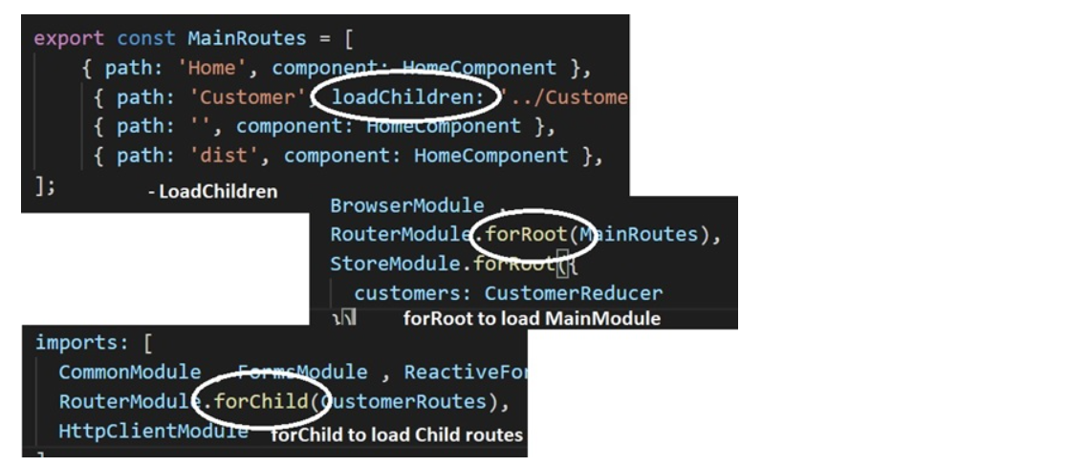
 | 16.What is the importance of node_modules folder ? | "node_modules" is the folder where all the packages are installed.
 | 17.What is package.json ? | It has all the Javascript references needed for a project. So rather than installing one package at a time we can install all packages in one go. What is the importance of ^ and in package.json? <^=>> Latest Minor version+ revision ==> Latest revision What is package.lock ? It has the exact version which is installed after analysis of package.json Explain the Flow of Angular ? Index → Main → Module → Coponent ==> HTML pushed the HTML in the selector of Index What is the use of templateURL ? TemplateURL connect the component with the UI
 | What are services in Angular ? | Services helps you to share common logic across Angular projects. Dependency Injection is an application design pattern where rather than creating object instances from within the component , Angular injects it via the constructor. By using the "@NgModule" provider meta-data we can specify which instance to be injected Dependency injection helps to decouple class dependencies , so that when you add new dependencies you do not have change everywhere. "ng serve" builds inmemory while "ng build" builds on the hard disk. So when you want to go for production "ng build" command is used. Ng build -prod flag compresses your JS file , removes comments , creates GUIDs of your JS files and make your application ready for production.
 | In What scenarios will we use content projection ? | Content Projection is used when we want to project contents like HTML or Components from parent component to child component. These contents get projected in to a reserved tag by name "ng-content".
 | Explain Content Projection Slots in Angular? | Content projection slot helps to project specific content to specific "" tag section..So if we have two "ng-content" sections in the contained component and from the parent component we want to project specific content to specific "ng-content" tags then we need to define Content projection slots. Defining content projection slot is a two-step process: - In the contained component we will use the "select" attribute to define the slot name in "ng-content" tag. Then in the parent component we will provide the slot name to project in the respective "ng-content" tags. Below is a pictorial representation of the same. | 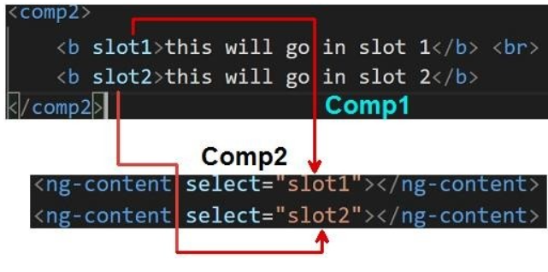
 | Why do we need "ViewChild" and "ViewChildren" in Angular? | Angular have two parts one is the view and the other is component or the code which handles the view data and events. Now in the component many times we would like to refer instance of view elements , that's where "ViewChild" helps. "ViewChild" helps to reference view objects in the component to which it is connected."ViewChild" references one object while "ViewChildren" references collection.
 | What's Template reference variable? | A template reference variable is used to give reference to a DOM Element, a component, directive, or a web component within a template. This variable can then be used anywhere inside the template or inside the component to reference the same.
 | .Explain "ContentChild" and "ContentChildren" ? | "ContentChild" and "ContentChildren" helps to access projected contents from the parent component. "ContentChild" references a single projected content while "ContentChildren" references collection.
 | .Differentiate between ViewChild , ViewChildren , ContentChild and ContentChildren ? | "ViewChild" and "ViewChildren" helps to reference view elements which belongs to HIS OWN VIEWS. "ContentChild" and "ContentChildren" helps to access view elements which is PROJECTED BY THE PARENT.
 | What's the importance Angular component hooks / life cycle? | Component life cycle a.k.a angular component hooks are events which developers can tap in and write custom logic in the same. For instance if you want to write initialization code when the component starts first time then we can tap in to the "ngOninit()" function . If you want to write clean up code when the component is unloading then we have the "ngDestroy()" function .
 | .Explain in detail Angular life cycle hooks? | The complete Angular life cycle events are divided in to two parts: - Sequence of events which occurs when the component is loaded first time. Second sequence of events which fires on every change detection which occurs on the component. The top image shows the first-time sequence in RED color and change detection sequence in BLACK color. Below is the First time Sequence of events which fires when the component is loaded first time. Constructor: - This is not really an event of angular it's an event of typescript class. When you create a object of a typescript class constructor fires first. And this will fire irrespective we have angular or not. But still it does have lot of significance as it comes as the first event before any angular component event fires. ngOnChanges: Called when data bound input property changes. This event is called before ngOnInit(). ngOnInit: Called when first time the data-bound properties are displayed and here we set the @input property values. ngDoCheck: Called whenever angular change detection runs. gAfterContentInit: Called after Angular projects external content first into the component's view. ngAfterContentChecked: After Angular checks the content projected into the component. This is the change detection check for the contents projected. ngAfterViewInit: After Angular initializes the component's views , child views and projected content this event fires. ngAfterViewChecked: Once the default change detection run and content projected change detection run this event fires. Once the component is initialized in every change detection below is how the events will fire. Ifthere are no changed to input "npOnChanges" event will fire. ngOnChanges. ngDoCheck. ngAfterContentChecked. ngAfterViewChecked Finally when the component is unloaded Destroy event fires. ngOnDestroy: This is the clean-up phase just before Angular destroys the directive/component. While answering this question many candidates try to mug up o | 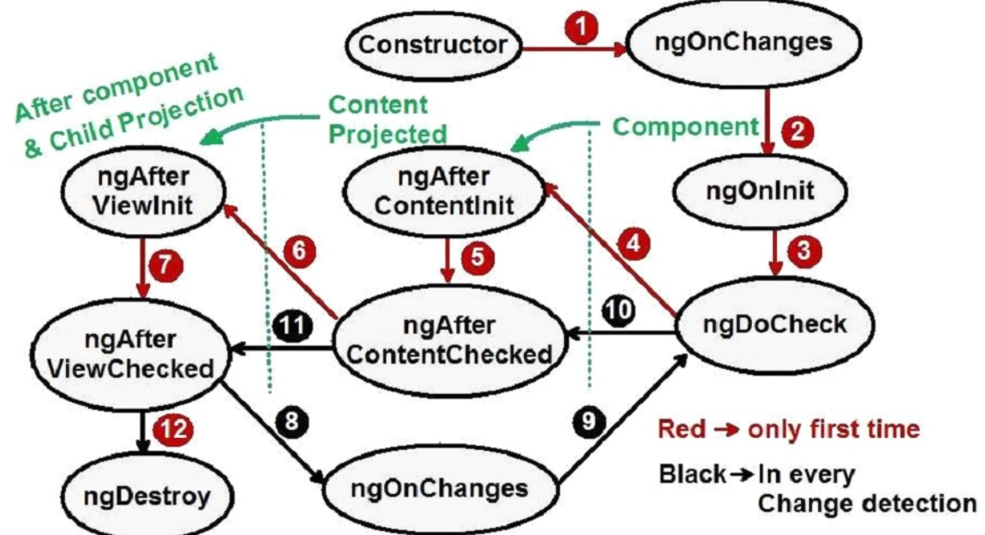 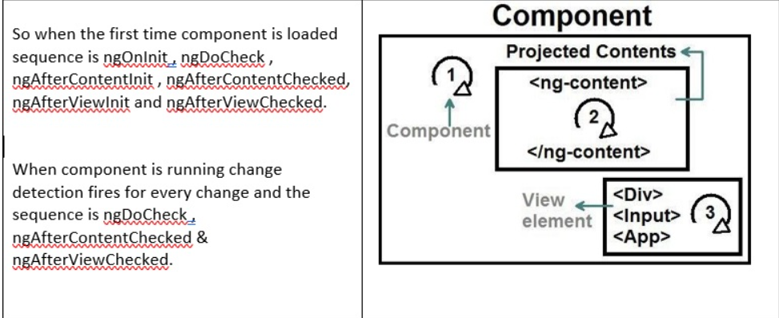
 |  Differentiate between "constructor" and "ngOnInit()" ? | 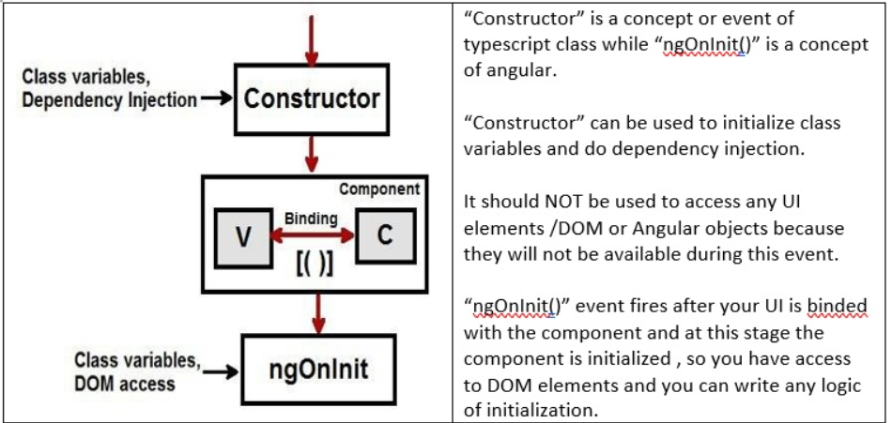
 | How to implement HTTP in Angular ? | Import "HttpClientModule" at Module level. Import "HttpClient" from "@angular/common/http" at component level. Create object of "HttpClient" using Dependency injection. Using subscribe function to catch success and error response.
 | How to pass data between components? | This question is a very common question and there are many ways of passing data between components. Depending on scenarios each one of these methods / ways should be used. So when you answer this question in the interview must be you can also emphasize best practices. These are the kind of questions where in you get an opportunity to prove that not only you know angular but you also know the best practices when to use what.
 | Can you give some examples of inbuilt Angular pipes ? | AsyncPipe :-Used to read the object from an asynchronous source CurrencyPipe:-Used to format the currencies DatePipe:-Used to format the dates DecimalPipe:- Used to transform the decimal numbers I18nPluralPipe:- Converts value to string that pluralizes value according to locale. I18nSelectPipe:- Used to display values according to the selection criteria JsonPipe:- Converts an object into a JSON string KeyValuePipe:- Converts an Object or Map into an array of key value pairs. LowerCasePipe:- Converts a string or text to lowercase PercentPipe:-Used to display percentage numbers SlicePipe:-Used to slice an array TitleCasePipe:-Converts a string or text to title case UpperCasePipe:-Converts a string or text to uppercase
 | What are interceptors in Angular? | Interceptors help to execute pre-processing logic before any HTTP call is made from angular application. So, for example you when any HTTP call is made any application you want to log it, you can create an interceptor and write logging logic in the same.
 | How to implement interceptors? | Implementing interceptor is a two-step process: - Step 1 :- First create the class which has the pre-processing logic and this class should implement "HttpInterceptor" interface. In the "intercept" method we need to write pre-processing logic which will fire before HTTP call is executed. Step 2 :- Dependency inject the pre-processing class at module level using providers as shown in the below code.
 | Give some use of Interceptors? | Below are some uses of interceptors: - Authentication: - In every call you would want to attach JWT token. This can be done by attaching token in the headers before call is made. Logging: - Would like to log / audit calls before every HTTP call is made. Caching: - Take data from cache rather than going to server. So before HTTP call is executed you can look up in the local cache, get data and cancel expensive HTTP call to server. Fake backend: - If you want to fake HTTP for unit testing. Modifying headers: - Before executing any HTTP call you would like to
 | Can we provide multi-interceptors? | Yes,you can fire multiple interceptor in pre-processing by defining multiple interceptors in the providers and by specifying "multi" value to "true". As per the sequence provided in the providers interceptor will fire in that sequence.

 | RxJS
 | Introduction | When it comes to Angular interviews one of the most asked questions is around Rxjs. RxJs even though very simple when it comes to expressing answers and explanation it has its own challenges. This article will cover 10 important questions around rxJs which will help you fly in your Angular interviews. Happy learning and Happy job hunting. You can also go through my Rxjs interview questions with answers video which run through 11 important Rxjs interviews.
 | What is RxJs and why do we need it ? | RxJs stands for Reactive extensions for JavaScript. RxJs helps to handle asynchronous data stream with ease. RxJs stands for Reactive extensions for JavaScript. RxJs helps to handle asynchronous data stream with ease. Assume you have an entity which is streaming async data, now this entity which is streaming async data can be a HTTP response , Port which is streaming data , Timer emitting data and so on. This Async stream is coming in undecided intervals like stream of data. As a developer you would like to listen to this stream , run some logic on these stream and so on.RxJs makes this task easy.
 | What are observables and observers? | What are observables and observers? RxJs library helps to handle async data stream easily. But in order to access the async stream it has to be exposed as a rxJs Observable object. The listener who is interested in accessing the Observable stream is exposed as an observer. In simple word observable represents async stream of data and observer subscribes to the observable to receive the stream.
 | What is stream in RxJs? | Stream in RxJs is asynchronous data emitted from observables.
 | What is the use of subscribe in RxJs? | "Subscribe" function starts the stream from observable to the observer function. You can see in the below code how the subscribe function takes a function as reference. So when data is streamed from Observable its received by the Listener function. var observ = Observable.create(AsyncStream); observ.subscribe(res=>Listener(res)); function Listener(res) console.log(res); }
 | How to unsubscribe from the stream? | We need to get reference of the "subscription" object. This subscription object is returned when we call the "subscribe" function. To unsubscribe we can call "unsubscribe" on the "sunscription" object. var subscription = observ.subscribe(res=>Listener(res)); subscription.unsubscribe();
 | What are operators in RxJs? | Operators are logics which manipulate an observable stream and create new observable streams.
 | Where did you use RxJs in Angular? | Most of the times rxJs is used in http calls with angular. As http streams asynchronous data we can subscribe , apply filters to the http streams. Below is a simple sample code of how RxJs can be used with HTTP calls. var stream1 = httpc.get("https://www.myapi.com/somedata"); var stream2 = stream1.pipe(filter(x=>x>3)); stream2.subscribe(res=>this.Success(res),res=>this.Error(res));
 | Differentiate between RxJs and Promises? | RxJs Promise Observable return stream of data. Promise return single value. You can subscribe and unsubscribe stream. You cannot cancel a promise.
 | How to install rxJs? | npm install rxjs
 | Why is rxjs called Push/Reactive not pull/imperative? | perative programming means listener code is responsible to pull stream of data. Reactive programming means you register a callback and the stream is responsible to push data. Some devs also visualize it as publisher and subscriber model as well.
 | Name some rxJs Operators? | Map :- Transforms data in a observable in to a different format. Filter :- Allows data which meets conditions. Merge :- This operator will combine multiple Observables into one. So if one of the observables emit a value the combined one will emit as well. Concat :- only when observable completes, it will start with the next observable. From :- This operator will turn array, promise or iterable into an observable. debouncetime :- discard emitted values if a certain time didn't pass between the last input distinctuntilchanged :- only emits a value if it is different than the last one. pluck :- select a property to emit. delay :- emits a value with a delay.

